Summary
Name | Role/Title | Department | Direct Manager | Tenure in Company | Tenure in Position | Performance Rating | Potential Rating | Corresponding 9 Box | Bucket | Notes
Ariel Dimapilis | Data Architect, Tech Lead | Technology | Arjay Gallentes | 0.9 | 0.9 | 2 | 2 | 5 | Mid
Rex Santos | Sr. Developer | Technology | Arjay Gallentes | 1.5 | 1.5 | 2 | 3 | 8 | High
 |  |  |  |  |  | 2 | #DIV/0! | #DIV/0! | #DIV/0!
 |  |  |  |  |  | 2 | #DIV/0! | #DIV/0! | #DIV/0!
 |  |  |  |  |  | 2 | #DIV/0! | #DIV/0! | #DIV/0!
 |  |  |  |  |  | 2 | #DIV/0! | #DIV/0! | #DIV/0!
 |  |  |  |  |  | 2 | #DIV/0! | #DIV/0! | #DIV/0!
 |  |  |  |  |  | 2 | #DIV/0! | #DIV/0! | #DIV/0!
 |  |  |  |  |  | 2 | #DIV/0! | #DIV/0! | #DIV/0!

 | Guidelines:
 | Please update the columns that have headings in this color
 | No need to update any of the columns with the headings in color
 | The file is set to autofill to compute for the ratings and conversions
 | Sample Data has been given as an example for reference on the first row.

 | Additional Notes: Don't forget our purpose for doing the 9 Box :)

Alignment of Talent to Business Goals
Do we have the right people for the job?
Is our Talent Population ready to meet the Business Goals for ABC?
Identification of Future Leaders
Provides a view of our Bench Strength and Pipeline for internal Talent
Provides information to feed into Succession Planning
Plan for Targeted Talent Development
Tailor Fit Development Programs and Training Needs
Talent Risk and Retention View
Provides insight on critical roles placed in low potential/performance boxes
Forecast potential fall outs and mitigate for talent coverage/redundancies

Potential
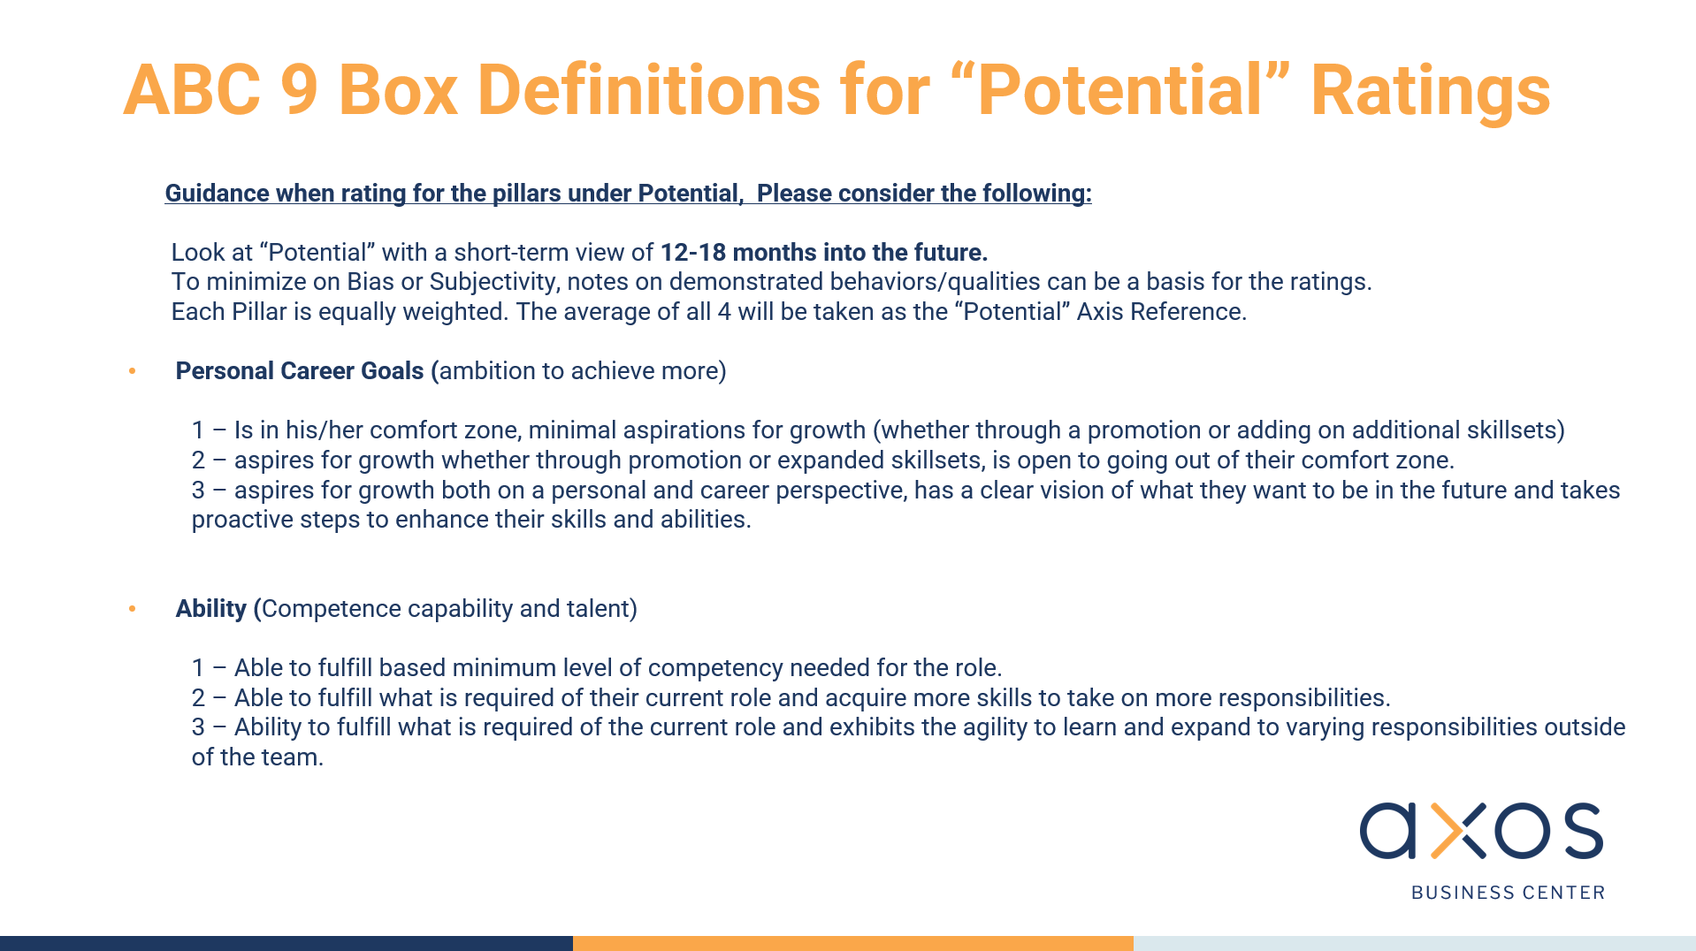
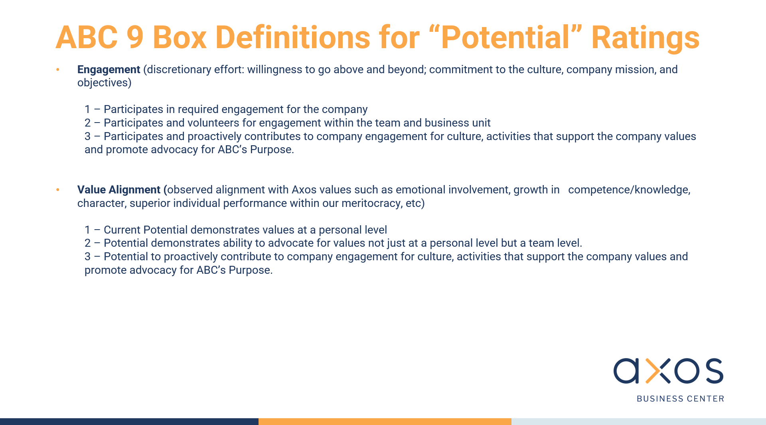
Name | Role/Title | Department | Direct Manager | Tenure in Company | Tenure in Position | Personal Career Goals | Ability | Engagement | Values Alignment | Average | Notes
Ariel Dimapilis | Data Architect, Tech Lead | Technology | Arjay Gallentes | 0.9 | 0.9 | 3 | 3 | 2 | 2 | 2.50
Rex Santos | Sr. Developer | Technology | Arjay Gallentes | 1.5 | 1.5 | 3 | 3 | 3 | 3 | 3.00
0 | 0 | 0 | 0 | 0 | 0 |  |  |  |  | #DIV/0!
0 | 0 | 0 | 0 | 0 | 0 |  |  |  |  | #DIV/0!
0 | 0 | 0 | 0 | 0 | 0 |  |  |  |  | #DIV/0!
0 | 0 | 0 | 0 | 0 | 0 |  |  |  |  | #DIV/0!
0 | 0 | 0 | 0 | 0 | 0 |  |  |  |  | #DIV/0!
0 | 0 | 0 | 0 | 0 | 0 |  |  |  |  | #DIV/0!
0 | 0 | 0 | 0 | 0 | 0 | 3 | 3 | 3 | 3 | 3.00

 |  |  | Guidelines:
 |  |  | Please update the columns that have headings in this color
 |  |  | No need to update any of the columns with the headings in color
 |  |  | The file is set to compute for the ratings and conversions

 |  |  | Potential Rating Guidance
 |  |  | Always remember we're looking towards a 12-18 month view of Potential, I've added the screenshots of our presentation for easier reference.

